One-Sample Test of Hypothesis
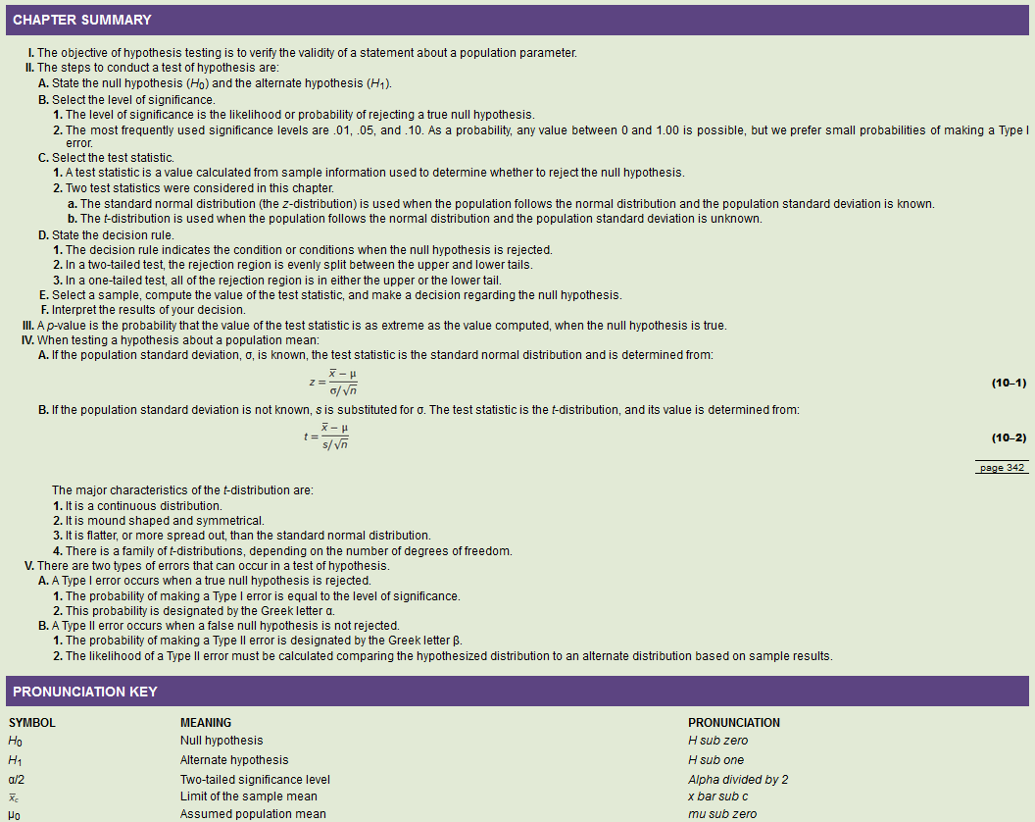

1-sampleHypo Test unknown Sigma
PROBLEM |  |  | Hypothesis Test with an unknown sigma
Ex11. | The Rocky Mountain district sales manager of Rath Publishing Inc., a college textbook publishing company, claims that the sales representatives make an average of 40 sales calls per week on professors. Several reps say that this estimate is too low. To investigate, a random sample of 28 sales representatives reveals that the mean number of calls made last week was 42. The standard deviation of the sample is 2.1 calls. Using the .05 significance level, can we conclude that the mean number of calls per salesperson per week is more than 40? |  | 1 | Gather inputs from the question
 |  |  |  |  | pop mean | mu | 40 | Hypothesized Mean Difference
 |  |  |  |  | pop std dev | sigma
 |  |  |  |  | sample mean | x-bar | 42 | Mean
 |  |  |  |  | sample size | n | 28 | Observations
 |  |  |  |  | sample std dev | s | 2.1000
 |  |  |  |  | Confidence Level |  | 0.95
 |  |  |  |  | Tail |  | right
 |  |  |  |  | significance level | alpha | 0.05 | Alpha
 |  |  |  |  | degrees freedom | df | 27 | df
 |  |  |  |  | null hypothesis | H0 | mu <= 40
 |  |  |  |  | alternative hypothesis | H1 | mu > 40

 |  |  | Manual Method
 |  |  | 2 | Find the Rejection Range
 |  |  |  |  |  | Critical Value of test statistic | 1.703 | lookup t-table
 |  |  |  |  |  | NormCurve Area for critical value | 0.4500
 |  |  |  |  |  | Rejection Region | > 1.703

SOLUTION |  |  | 3 | Decision rule via critical value method
 | (a) State the null hypothesis and the alternate hypothesis. |  |  | Reject the null hypothesis if t > 1.703
 | H0 | mu <= 40 |  |  | test statistic | t | 5.0395
 | H1 | mu > 40 |  |  | 5.0395 > 1.703 |  | TRUE

 | (b) State the decision rules.
 | Reject the null hypothesis if t > 1.703 |  | 4 | Decision rule via p-value method
 | Reject the null hypothesis if p-value is < 0.05 |  |  | Reject the null hypothesis if p-value is < 0.05
 |  |  |  |  |  | t for p-value | 5.040
 | (c) Compute the value of the test statistic. |  |  |  |  | df | 27
 | 5.0395 |  |  |  |  | lower p-value | 0.000 | lookup t-table
 |  |  |  |  |  | upper p-value | 0.000 | lookup t-table
 | (d) What is your decision regarding H0? |  |  |  |  | p-value | 0 < p-value < 0
 | Reject H0 (mu <= 40) |  |  |  |  | alpha | 0.05
 | Conclude that the mean number of calls per salesperson per week is more than 40 |  |  |  |  | p-value < alpha | TRUE

 |  |  | 5 | Interpret the Output
 |  |  |  |  | Reject H0 (mu <= 40)
 |  |  |  |  | Conclude that the mean number of calls per salesperson per week is more than 40

PROBLEM |  |  | Hypothesis Test with an unknown sigma
Ex13. | The mean income per person in the United States is $60,000, and the distribution of incomes follows a normal distribution. A random sample of 10 residents of Wilmington, Delaware, had a mean of $70,000 with a standard deviation of $10,000. At the .05 level of significance, is that enough evidence to conclude that residents of Wilmington, Delaware, have more income than the national average? |  | 1 | Gather inputs from the question
 |  |  |  |  | pop mean | mu | 60000 | Hypothesized Mean Difference
 |  |  |  |  | pop std dev | sigma
 |  |  |  |  | sample mean | x-bar | 70000 | Mean
 |  |  |  |  | sample size | n | 10 | Observations
 |  |  |  |  | sample std dev | s | 10000
 |  |  |  |  | Confidence Level |  | 0.95
 |  |  |  |  | Tail |  | right
 |  |  |  |  | significance level | alpha | 0.05 | Alpha
 |  |  |  |  | degrees freedom | df | 9 | df
 |  |  |  |  | null hypothesis | H0 | mu <= 60000
 |  |  |  |  | alternative hypothesis | H1 | mu > 60000

 |  |  | Manual Method
 |  |  | 2 | Find the Rejection Range
 |  |  |  |  |  | Critical Value of test statistic | 1.833 | lookup t-table
 |  |  |  |  |  | NormCurve Area for critical value | 0.4500
 |  |  |  |  |  | Rejection Region | > 1.833

SOLUTION |  |  | 3 | Decision rule via critical value method
 | (a) State the null hypothesis and the alternate hypothesis. |  |  | Reject the null hypothesis if t > 1.833
 | H0 | mu <= 60000 |  |  | test statistic | t | 3.1623
 | H1 | mu > 60000 |  |  | 3.1623 > 1.833 |  | TRUE

 | (b) State the decision rules.
 | Reject the null hypothesis if t > 1.833 |  | 4 | Decision rule via p-value method
 | Reject the null hypothesis if p-value is < 0.05 |  |  | Reject the null hypothesis if p-value is < 0.05
 |  |  |  |  |  | t for p-value | 3.162
 | (c) Compute the value of the test statistic. |  |  |  |  | df | 9
 | 3.1623 |  |  |  |  | lower p-value | 0.005 | lookup t-table
 |  |  |  |  |  | upper p-value | 0.010 | lookup t-table
 | (d) What is your decision regarding H0? |  |  |  |  | p-value | 0.005 < p-value < 0.01
 | Reject H0 (mu <= 60000) |  |  |  |  | alpha | 0.050
 | Conclude that residents of Wilmington, Delaware, have more income than the national average |  |  |  |  | p-value < alpha | TRUE

 |  |  | 5 | Interpret the Output
 |  |  |  |  | Reject H0 (mu <= 60000)
 |  |  |  |  | Conclude that residents of Wilmington, Delaware, have more income than the national average

PROBLEM |  |  | Hypothesis Test with an unknown sigma |  |  |  |  |  | Excel Method
Ex17. | The amount of water consumed each day by a healthy adult follows a normal distribution with a mean of 1.4 liters. A health campaign promotes the consumption of at least 2.0 liters per day. A sample of 10 adults after the campaign shows the following consumption in liters: |  | 1 | Gather inputs from the question |  |  |  |  | 2 | Add a dummy variable next to sample data: |  |  |  |  | 3 | Identify Variables for Data Analysis Tool
 |  |  |  |  | pop mean | mu | 1.4 | Hypothesized Mean Difference |  |  | liters per day | Dummy |  |  |  |  | Hypothesized Mean Difference | 1.4 | mu
 |  |  |  |  | pop std dev | sigma |  |  |  |  | 1.5 | 0 |  |  |  |  | significance level | 0.05 | Alpha
 |  |  |  |  | sample mean | x-bar | 1.6 | Mean |  |  | 1.6 | 0
 |  |  |  |  | sample size | n | 10 | Observations |  |  | 1.5 |  |  |  |  |  | 5 | Interpret the Output
 |  | liters per day |  |  | sample std dev | s | 0 |  |  |  | 1.4 |  |  |  |  |  |  | p-value < Alpha
 |  | 1.5 |  |  | Confidence Level |  | 0.95 |  |  |  | 1.9 |  |  |  |  |  |  | p-value | 0.0084
 |  | 1.6 |  |  | Tail |  | right |  |  |  | 1.4 |  |  |  |  |  |  | alpha | 0.0500
 |  | 1.5 |  |  | significance level | alpha | 0.05 | Alpha |  |  | 1.3 |  |  |  |  |  |  | TRUE | reject H0
 |  | 1.4 |  |  | degrees freedom | df | 9 | df |  |  | 1.9
 |  | 1.9 |  |  | null hypothesis | H0 | mu <= 1.4 |  |  |  | 1.8 |  |  |  |  |  |  | test statistic > critical value
 |  | 1.4 |  |  | alternative hypothesis | H1 | mu > 1.4 |  |  |  | 1.7 |  |  |  |  |  |  | test statistic | 2.9277
 |  | 1.3 |  |  |  |  |  |  |  |  |  |  |  |  |  |  |  | critical value | 2.8214
 |  | 1.9 | Manual Method |  |  |  |  |  | 4 | Data > Data Analysis > t-Test: Two-Sample Assuming Unequal Variances |  |  |  |  |  |  |  | TRUE | reject H0
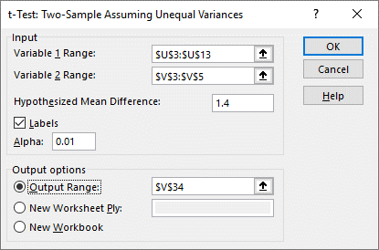
 |  | 1.8 | 2 | Find the Rejection Range
 |  | 1.7 |  |  |  | Critical Value of test statistic | 1.833 | lookup t-table
 |  |  |  |  |  | NormCurve Area for critical value | 0.4500
 | At the .01 significance level, can we conclude that water consumption has increased? |  |  |  |  | Rejection Region | > 1.833
 | Calculate and interpret the p-value.

SOLUTION |  |  | 3 | Decision rule via critical value method
 | (a) State the null hypothesis and the alternate hypothesis. |  |  | Reject the null hypothesis if t > 1.833
 | H0 | mu <= 1.4 |  |  | test statistic | t | 2.9277
 | H1 | mu > 1.4 |  |  | 2.9277 > 1.833 |  | TRUE

 | (b) State the decision rules.
 | Reject the null hypothesis if t > 1.833 |  | 4 | Decision rule via p-value method
 | Reject the null hypothesis if p-value is < 0.05 |  |  | Reject the null hypothesis if p-value is < 0.05
 |  |  |  |  |  | t for p-value | 2.928
 | (c) Compute the value of the test statistic. |  |  |  |  | df | 9
 | 2.9277 |  |  |  |  | lower p-value | 0.005 | lookup t-table
 |  |  |  |  |  | upper p-value | 0.010 | lookup t-table
 | (d) What is your decision regarding H0? |  |  |  |  | p-value | 0.005 < p-value < 0.01 |  |  |  |  | t-Test: Two-Sample Assuming Unequal Variances
 | Reject H0 (mu <= 1.4) |  |  |  |  | alpha | 0.050
 | Conclude that water consumption has increased |  |  |  |  | p-value < alpha | TRUE |  |  |  |  |  | liters per day | Dummy
 |  |  |  |  |  |  |  |  |  |  | x-bar | Mean | 1.6 | 0
 | (e) What is the p-value? Interpret it. |  | 5 | Interpret the Output |  |  |  |  |  |  | s-squared | Variance | 0.046666666667 | 0
 | 0.0084 | If H0 is true, the probability of finding a sample mean this extreme is 0.0084 |  |  | Reject H0 (mu <= 1.4) |  |  |  |  |  | n | Observations | 10 | 2
 |  |  |  |  | Conclude that water consumption has increased |  |  |  |  |  | mu | Hypothesized Mean Difference | 1.4
 |  |  |  |  |  |  |  |  |  |  | df | df | 9
 |  |  |  |  |  |  |  |  |  |  | test statistic | t Stat | 2.9277002188
 |  |  |  |  |  |  |  |  |  |  | p-value | P(T<=t) one-tail | 0.0084099018161
 |  |  |  |  |  |  |  |  |  |  | critical value | t Critical one-tail | 2.821437925
 |  |  |  |  |  |  |  |  |  |  |  | P(T<=t) two-tail | 0.016819803632
 |  |  |  |  |  |  |  |  |  |  |  | t Critical two-tail | 3.2498355416

PROBLEM |  |  | Hypothesis Test with an unknown sigma |  |  |  |  |  | Excel Method
Ex19. | A Washington, D.C., “think tank” announces the typical teenager sent 67 text messages per day in 2017. To update that estimate, you phone a sample of 12 teenagers and ask them how many text messages they sent the previous day. Their responses were: |  | 1 | Gather inputs from the question |  |  |  |  | 2 | Add a dummy variable next to sample data: |  |  |  |  | 3 | Identify Variables for Data Analysis Tool
 |  |  |  |  | pop mean | mu | 67 | Hypothesized Mean Difference |  |  | text messages per day | Dummy |  |  |  |  | Hypothesized Mean Difference | 67 | mu
 |  |  |  |  | pop std dev | sigma |  |  |  |  | 51 | 0 |  |  |  |  | significance level | 0.05 | Alpha
 |  |  |  |  | sample mean | x-bar | 82.5 | Mean |  |  | 175 | 0
 |  |  |  |  | sample size | n | 12 | Observations |  |  | 47 |  |  |  |  |  | 5 | Interpret the Output
 |  | text messages per day |  |  | sample std dev | s | 59 |  |  |  | 49 |  |  |  |  |  |  | p-value < Alpha
 |  | 51 |  |  | Confidence Level |  | 0.95 |  |  |  | 44 |  |  |  |  |  |  | p-value | 0.1931
 |  | 175 |  |  | Tail |  | right |  |  |  | 54 |  |  |  |  |  |  | alpha | 0.0500
 |  | 47 |  |  | significance level | alpha | 0.05 | Alpha |  |  | 145 |  |  |  |  |  |  | FALSE | fail to reject H0
 |  | 49 |  |  | degrees freedom | df | 11 | df |  |  | 203
 |  | 44 |  |  | null hypothesis | H0 | mu <= 67 |  |  |  | 21 |  |  |  |  |  |  | test statistic > critical value
 |  | 54 |  |  | alternative hypothesis | H1 | mu > 67 |  |  |  | 59 |  |  |  |  |  |  | test statistic | 0.9025
 |  | 145 |  |  |  |  |  |  |  |  | 42 |  |  |  |  |  |  | critical value | 1.7959
 |  | 203 | Manual Method |  |  |  |  |  |  |  | 100 |  |  |  |  |  |  | FALSE | fail to reject H0
 |  | 21 | 2 | Find the Rejection Range
 |  | 59 |  |  |  | Critical Value of test statistic | 1.796 | lookup t-table | 4 | Data > Data Analysis > t-Test: Two-Sample Assuming Unequal Variances
 |  | 42 |  |  |  | NormCurve Area for critical value | 0.4500
 |  | 100 |  |  |  | Rejection Region | > 1.796

 | At the .05 level, can you conclude that the mean number is greater than 67? Compute the p-value and describe what it tells you.
 |  |  | 3 | Decision rule via critical value method
 |  |  |  | Reject the null hypothesis if t > 1.796
SOLUTION |  |  |  |  | test statistic | t | 0.9025
 | (a) State the null hypothesis and the alternate hypothesis. |  |  |  | 0.9025 > 1.796 |  | FALSE
 | H0 | mu <= 67
 | H1 | mu > 67
 |  |  | 4 | Decision rule via p-value method
 | (b) State the decision rules. |  |  | Reject the null hypothesis if p-value is < 0.05
 | Reject the null hypothesis if t > 1.796 |  |  |  |  | t for p-value | 0.903
 | Reject the null hypothesis if p-value is < 0.05 |  |  |  |  | df | 11
 |  |  |  |  |  | lower p-value | 1.000 | lookup t-table
 | (c) Compute the value of the test statistic. |  |  |  |  | upper p-value | 1.000 | lookup t-table
 | 0.9025 |  |  |  |  | p-value | 1 < p-value < 1
 |  |  |  |  |  | alpha | 0.050
 | (d) What is your decision regarding H0? |  |  |  |  | p-value < alpha | FALSE |  |  |  |  | t-Test: Two-Sample Assuming Unequal Variances
 | Fail to reject H0 (mu <= 67)
 | Conclude that water consumption has increased |  | 5 | Interpret the Output |  |  |  |  |  |  |  |  | text messages per day | Dummy
 |  |  |  |  | Fail to reject H0 (mu <= 67) |  |  |  |  |  | x-bar | Mean | 82.5 | 0
 | (e) What is the p-value? Interpret it. |  |  |  | Conclude that water consumption has increased |  |  |  |  |  | s-squared | Variance | 3539.3636364 | 0
 | 0.1931 | If H0 is true, the probability of finding a sample mean this extreme is 0.1931 |  |  |  |  |  |  |  |  | n | Observations | 12 | 2
 |  |  |  |  |  |  |  |  |  |  | mu | Hypothesized Mean Difference | 67
 |  |  |  |  |  |  |  |  |  |  | df | df | 11
 |  |  |  |  |  |  |  |  |  |  | test statistic | t Stat | 0.90252601447
 |  |  |  |  |  |  |  |  |  |  | p-value | P(T<=t) one-tail | 0.19305705518
 |  |  |  |  |  |  |  |  |  |  | critical value | t Critical one-tail | 1.7958848187
 |  |  |  |  |  |  |  |  |  |  |  | P(T<=t) two-tail | 0.38611411036
 |  |  |  |  |  |  |  |  |  |  |  | t Critical two-tail | 2.2009851601

PROBLEM |  |  | Hypothesis Test with an unknown sigma |  |  |  |  |  | Excel Method
Ex33. | A 2019 survey of American households with two or more children indicated the mean annual interest paid on household debt was $8,000. A sample of 12 households reported the following annual paid interest. At the .05 significance level is it reasonable to conclude that these households paid less than $8,000 of interest per year? |  | 1 | Gather inputs from the question |  |  |  |  | 2 | Add a dummy variable next to sample data: |  |  |  |  | 3 | Identify Variables for Data Analysis Tool
 |  |  |  |  | pop mean | mu | 8000 | Hypothesized Mean Difference |  |  | interest payments | Dummy |  |  |  |  | Hypothesized Mean Difference | 8000 | mu
 |  |  |  |  | pop std dev | sigma |  |  |  |  | 7077 | 0 |  |  |  |  | significance level | 0.05 | Alpha
 |  |  |  |  | sample mean | x-bar | 7163.5833333 | Mean |  |  | 5744 | 0
 |  |  |  |  | sample size | n | 12 | Observations |  |  | 6753 |  |  |  | 5 | Interpret the Output
 |  | interest payments |  |  | sample std dev | s | 942 |  |  |  | 7381 |  |  |  |  | p-value < Alpha
 |  | 7077 |  |  | Confidence Level |  | 0.95 |  |  |  | 7625 |  |  |  |  | p-value | 0.0053
 |  | 5744 |  |  | Tail |  | left |  |  |  | 6636 |  |  |  |  | alpha | 0.0500
 |  | 6753 |  |  | significance level | alpha | 0.05 | Alpha |  |  | 7164 |  |  |  |  | TRUE | reject H0
 |  | 7381 |  |  | degrees freedom | df | 11 | df |  |  | 7348
 |  | 7625 |  |  | null hypothesis | H0 | mu >= 8000 |  |  |  | 8060 |  |  |  |  | test statistic < critical value
 |  | 6636 |  |  | alternative hypothesis | H1 | mu < 8000 |  |  |  | 5848 |  |  |  |  | test statistic | -3.0746
 |  | 7164 |  |  |  |  |  |  |  |  | 9275 |  |  |  |  | critical value | 1.7959
 |  | 7348 | Manual Method |  |  |  |  |  |  |  | 7052 |  |  |  |  | TRUE | reject H0
 |  | 8060 | 2 | Find the Rejection Range
 |  | 5848 |  |  |  | Critical Value of test statistic | 1.796 | lookup t-table
 |  | 9275 |  |  |  | NormCurve Area for critical value | 0.4500
 |  | 7052 |  |  |  | Rejection Region | < -1.796
 |  |  |  |  |  |  |  |  | 4 | Data > Data Analysis > t-Test: Two-Sample Assuming Unequal Variances

 |  |  | 3 | Decision rule via critical value method
 |  |  |  | Reject the null hypothesis if t < -1.796
SOLUTION |  |  |  |  | test statistic | t | -3.0746
 | (a) State the null hypothesis and the alternate hypothesis. |  |  |  | -3.0746 < -1.796 |  | TRUE
 | H0 | mu >= 8000
 | H1 | mu < 8000
 |  |  | 4 | Decision rule via p-value method
 | (b) State the decision rules. |  |  | Reject the null hypothesis if p-value is < 0.05
 | Reject the null hypothesis if t < -1.796 |  |  |  |  | t for p-value | -3.075
 | Reject the null hypothesis if p-value is < 0.05 |  |  |  |  | df | 11
 |  |  |  |  |  | lower p-value | 0.0005 | lookup t-table
 | (c) Compute the value of the test statistic. |  |  |  |  | upper p-value | 0.0050 | lookup t-table
 | -3.0746 |  |  |  |  | p-value | 0.001 < p-value < 0.005
 |  |  |  |  |  | alpha | 0.050
 | (d) What is your decision regarding H0? |  |  |  |  | p-value < alpha | TRUE
 | Reject H0 (mu >= 8000)
 | Conclude that these households paid less than $8,000 of interest per year |  | 5 | Interpret the Output
 |  |  |  |  | Reject H0 (mu >= 8000) |  |  |  |  |  |  | t-Test: Two-Sample Assuming Unequal Variances
 | (e) What is the p-value? Interpret it. |  |  |  | Conclude that these households paid less than $8,000 of interest per year
 | 0.0053 | If H0 is true, the probability of finding a sample mean this extreme is 0.0053 |  |  |  |  |  |  |  |  |  |  | interest payments | Dummy
 |  |  |  |  |  |  |  |  |  |  | x-bar | Mean | 7163.5833333 | 0
 |  |  |  |  |  |  |  |  |  |  | s-squared | Variance | 888061.35606 | 0
 |  |  |  |  |  |  |  |  |  |  | n | Observations | 12 | 2
 |  |  |  |  |  |  |  |  |  |  | mu | Hypothesized Mean Difference | 8000
 |  |  |  |  |  |  |  |  |  |  | df | df | 11
 |  |  |  |  |  |  |  |  |  |  | test statistic | t Stat | -3.0746225993
 |  |  |  |  |  |  |  |  |  |  | p-value | P(T<=t) one-tail | 0.0052861530428
 |  |  |  |  |  |  |  |  |  |  | critical value | t Critical one-tail | 1.7958848187
 |  |  |  |  |  |  |  |  |  |  |  | P(T<=t) two-tail | 0.010572306086
 |  |  |  |  |  |  |  |  |  |  |  | t Critical two-tail | 2.2009851601

PROBLEM |  |  | Hypothesis Test with an unknown sigma |  |  |  |  |  | Excel Method
Ex37. | An Etsy store receives an average of 6.5 returns per day from online shoppers. For a sample of 12 days, it received the following numbers of returns. |  | 1 | Gather inputs from the question |  |  |  |  | 2 | Add a dummy variable next to sample data: |  |  |  |  | 3 | Identify Variables for Data Analysis Tool
 |  |  |  |  | pop mean | mu | 6.5 | Hypothesized Mean Difference |  |  | returns | Dummy |  |  |  |  | Hypothesized Mean Difference | 6.5 | mu
 |  |  |  |  | pop std dev | sigma |  |  |  |  | 0 | 0 |  |  |  |  | significance level | 0.01 | Alpha
 |  |  |  |  | sample mean | x-bar | 5.1666666667 | Mean |  |  | 4 | 0
 |  |  |  |  | sample size | n | 12 | Observations |  |  | 3 |  |  |  | 5 | Interpret the Output
 |  | returns |  |  | sample std dev | s | 3 |  |  |  | 4 |  |  |  |  | p-value < Alpha
 |  | 0 |  |  | Confidence Level |  | 0.99 |  |  |  | 9 |  |  |  |  | p-value | 0.0857
 |  | 4 |  |  | Tail |  | left |  |  |  | 4 |  |  |  |  | alpha | 0.0100
 |  | 3 |  |  | significance level | alpha | 0.01 | Alpha |  |  | 5 |  |  |  |  | FALSE | fail to reject H0
 |  | 4 |  |  | degrees freedom | df | 11 | df |  |  | 9
 |  | 9 |  |  | null hypothesis | H0 | mu >= 6.5 |  |  |  | 1 |  |  |  |  | test statistic < critical value
 |  | 4 |  |  | alternative hypothesis | H1 | mu < 6.5 |  |  |  | 6 |  |  |  |  | test statistic | -1.4628
 |  | 5 |  |  |  |  |  |  |  |  | 7 |  |  |  |  | critical value | 2.7181
 |  | 9 | Manual Method |  |  |  |  |  |  |  | 10 |  |  |  |  | TRUE | reject H0
 |  | 1 | 2 | Find the Rejection Range
 |  | 6 |  |  |  | Critical Value of test statistic | 2.718 | lookup t-table
 |  | 7 |  |  |  | NormCurve Area for critical value | 0.4900
 |  | 10 |  |  |  | Rejection Region | < -2.718
 |  |  |  |  |  |  |  |  | 4 | Data > Data Analysis > t-Test: Two-Sample Assuming Unequal Variances
 | At the .01 significance level, can we conclude the mean number of returns is less than 6.5?
 |  |  | 3 | Decision rule via critical value method
 |  |  |  | Reject the null hypothesis if t < -2.718
SOLUTION |  |  |  |  | test statistic | t | -1.4628
 | (a) State the null hypothesis and the alternate hypothesis. |  |  |  | -1.4628 < -2.718 |  | FALSE
 | H0 | mu >= 6.5
 | H1 | mu < 6.5
 |  |  | 4 | Decision rule via p-value method
 | (b) State the decision rules. |  |  | Reject the null hypothesis if p-value is < 0.01
 | Reject the null hypothesis if t < -2.718 |  |  |  |  | t for p-value | -1.463
 | Reject the null hypothesis if p-value is < 0.01 |  |  |  |  | df | 11
 |  |  |  |  |  | lower p-value | 0.0500 | lookup t-table
 | (c) Compute the value of the test statistic. |  |  |  |  | upper p-value | 0.1000 | lookup t-table
 | -1.4628 |  |  |  |  | p-value | 0.05 < p-value < 0.1
 |  |  |  |  |  | alpha | 0.010
 | (d) What is your decision regarding H0? |  |  |  |  | p-value < alpha | FALSE
 | Fail to reject H0 (mu >= 6.5)
 | We cannot conclude the mean number of returns is less than 6.5 |  | 5 | Interpret the Output
 |  |  |  |  | Fail to reject H0 (mu >= 6.5) |  |  |  |  |  |  | t-Test: Two-Sample Assuming Unequal Variances
 | (e) What is the p-value? Interpret it. |  |  |  | We cannot conclude the mean number of returns is less than 6.5
 | 0.0857 | If H0 is true, the probability of finding a sample mean this extreme is 0.0857 |  |  |  |  |  |  |  |  |  |  | returns | Dummy
 |  |  |  |  |  |  |  |  |  |  | x-bar | Mean | 5.1666666667 | 0
 |  |  |  |  |  |  |  |  |  |  | s-squared | Variance | 9.9696969697 | 0
 |  |  |  |  |  |  |  |  |  |  | n | Observations | 12 | 2
 |  |  |  |  |  |  |  |  |  |  | mu | Hypothesized Mean Difference | 6.5
 |  |  |  |  |  |  |  |  |  |  | df | df | 11
 |  |  |  |  |  |  |  |  |  |  | test statistic | t Stat | -1.4628115494
 |  |  |  |  |  |  |  |  |  |  | p-value | P(T<=t) one-tail | 0.085748432054
 |  |  |  |  |  |  |  |  |  |  | critical value | t Critical one-tail | 2.7180791838
 |  |  |  |  |  |  |  |  |  |  |  | P(T<=t) two-tail | 0.17149686411
 |  |  |  |  |  |  |  |  |  |  |  | t Critical two-tail | 3.1058065155

PROBLEM |  |  | Hypothesis Test with an unknown sigma |  |  |  |  |  | Excel Method
Ex41. | Many grocery stores and large retailers such as Kroger and Walmart have installed self-checkout systems so shoppers can scan their own items and cash out themselves. Listed is the number of customers using the service for a sample of 15 days at a Walmart location. |  | 1 | Gather inputs from the question |  |  |  |  | 2 | Add a dummy variable next to sample data: |  |  |  |  | 3 | Identify Variables for Data Analysis Tool
 |  |  |  |  | pop mean | mu | 100 | Hypothesized Mean Difference |  |  | using self-checkout | Dummy |  |  |  |  | Hypothesized Mean Difference | 100 | mu
 |  |  |  |  | pop std dev | sigma |  |  |  |  | 120 | 0 |  |  |  |  | significance level | 0.05 | Alpha
 |  |  |  |  | sample mean | x-bar | 109.4 | Mean |  |  | 108 | 0
 |  |  |  |  | sample size | n | 15 | Observations |  |  | 120 |  |  |  | 5 | Interpret the Output
 |  | using self-checkout |  |  | sample std dev | s | 10 |  |  |  | 114 |  |  |  |  | p-value < Alpha
 |  | 120 |  |  | Confidence Level |  | 0.95 |  |  |  | 118 |  |  |  |  | p-value | 0.0013
 |  | 108 |  |  | Tail |  | right |  |  |  | 91 |  |  |  |  | alpha | 0.0500
 |  | 120 |  |  | significance level | alpha | 0.05 | Alpha |  |  | 118 |  |  |  |  | TRUE | reject H0
 |  | 114 |  |  | degrees freedom | df | 14 | df |  |  | 92
 |  | 118 |  |  | null hypothesis | H0 | mu <= 100 |  |  |  | 104 |  |  |  |  | test statistic > critical value
 |  | 91 |  |  | alternative hypothesis | H1 | mu > 100 |  |  |  | 104 |  |  |  |  | test statistic | 3.6542
 |  | 118 |  |  |  |  |  |  |  |  | 112 |  |  |  |  | critical value | 1.7613
 |  | 92 | Manual Method |  |  |  |  |  |  |  | 97 |  |  |  |  | TRUE | reject H0
 |  | 104 | 2 | Find the Rejection Range |  |  |  |  |  |  | 118
 |  | 104 |  |  |  | Critical Value of test statistic | 1.761 | lookup t-table |  |  | 108
 |  | 112 |  |  |  | NormCurve Area for critical value | 0.4500 |  |  |  | 117
 |  | 97 |  |  |  | Rejection Region | > 1.761
 |  | 118 |  |  |  |  |  |  | 4 | Data > Data Analysis > t-Test: Two-Sample Assuming Unequal Variances
 |  | 108
 |  | 117 | 3 | Decision rule via critical value method
 |  |  |  | Reject the null hypothesis if t > 1.761
 |  |  |  |  | test statistic | t | 3.6542
 | Is it reasonable to conclude that the mean number of customers using the self-checkout system is more than 100 per day? Use the .05 significance level. |  |  |  | 3.6542 > 1.761 |  | TRUE

SOLUTION |  |  | 4 | Decision rule via p-value method
 | (a) State the null hypothesis and the alternate hypothesis. |  |  | Reject the null hypothesis if p-value is < 0.05
 | H0 | mu <= 100 |  |  |  | t for p-value | 3.654
 | H1 | mu > 100 |  |  |  | df | 14
 |  |  |  |  |  | lower p-value | 0.0005 | lookup t-table
 | (b) State the decision rules. |  |  |  |  | upper p-value | 0.0050 | lookup t-table
 | Reject the null hypothesis if t > 1.761 |  |  |  |  | p-value | 0.001 < p-value < 0.005
 | Reject the null hypothesis if p-value is < 0.05 |  |  |  |  | p-value | 0.0013
 |  |  |  |  |  | alpha | 0.050
 | (c) Compute the value of the test statistic. |  |  |  |  | p-value < alpha | TRUE
 | t-value | 3.6542 | 5 | Interpret the Output
 | p-value | 0.0013 |  |  | Reject H0 (mu <= 100) |  |  |  |  |  |  | t-Test: Two-Sample Assuming Unequal Variances
 |  |  |  |  | It is reasonable to conclude that the mean number of customers using the self-checkout system is more than 100 per day
 | (d) What is your decision regarding H0? |  |  |  |  |  |  |  |  |  |  |  | using self-checkout | Dummy
 | Reject H0 (mu <= 100) |  |  |  |  |  |  |  |  |  | x-bar | Mean | 109.4 | 0
 | It is reasonable to conclude that the mean number of customers using the self-checkout system is more than 100 per day |  |  |  |  |  |  |  |  |  | s-squared | Variance | 99.257142857 | 0
 |  |  |  |  |  |  |  |  |  |  | n | Observations | 15 | 2
 | (e) What is the p-value? Interpret it. |  |  |  |  |  |  |  |  |  | mu | Hypothesized Mean Difference | 100
 | 0.0013 | If H0 is true, the probability of finding a sample mean this extreme is 0.0013 |  |  |  |  |  |  |  |  | df | df | 14
 |  |  |  |  |  |  |  |  |  |  | test statistic | t Stat | 3.6542023978
 |  |  |  |  |  |  |  |  |  |  | p-value | P(T<=t) one-tail | 0.0013015427061
 |  |  |  |  |  |  |  |  |  |  | critical value | t Critical one-tail | 1.7613101358
 |  |  |  |  |  |  |  |  |  |  |  | P(T<=t) two-tail | 0.0026030854123
 |  |  |  |  |  |  |  |  |  |  |  | t Critical two-tail | 2.1447866879

11042020 group exercise
Group 5 - p-value approach
PROBLEM |  | SOLUTION
Ex41 | Many grocery stores and large retailers such as Kroger and Walmart have installed self-checked out systems so shoppers can scan their own items and cash out themselves. How do customers like this service and how often do they use it? Listed below is the number of customers using the services for a sample of 15 days at a Walmart location. Is it reasonable to conclude that the mean number of customers using the self-checkout system is more than 100 per day? Use 0.05 significance level. | Data Analysis Method |  |  |  | Excel Data Analysis Method
 |  |  | Population Mean (mu) | 100
 |  |  | Samples(n) | 15 | =COUNT(B13:B27) |  | self-ckout | dummy | t-Test: One-Sample
 |  |  | alpha | 0.05 |  |  | 120 | 0
 |  |  |  |  |  |  | 108 | 0 |  | using self-checkout
 |  | Step 1: | H0: | mu <= 100 |  |  | 120 |  | Mean | 109.4
 |  |  | Ha: | mu > 100 |  |  | 114 |  | Variance | 99.257142857
 |  |  |  |  |  |  | 118 |  | Observations | 15
 |  | Step 2: |  |  |  |  | 91 |  | Hypothesized Mean | 100
 | using self-checkout |  | alpha | 0.05 |  |  | 118 |  | df | 14
 | 120 |  |  |  |  |  | 92 |  | t Stat | 3.6542023978
 | 108 | Step 3: |  |  |  |  | 104 |  | P(T<=t) one-tail | 0.0013015427061
 | 120 |  | unknown sigma | right tailed |  |  | 104 |  | t Critical one-tail | 1.7613101358
 | 114 |  | Sample mean (Xbar) | 109 | =AVERAGE(B13:B27) |  | 112 |  |  | 0.0013 < 0.05
 | 118 |  | Sample Standard Deviation (S) | 9.9628 | =STDEV.S(B13:B27) |  | 97 |  |  | p < alpha
 | 91 |  | computed t-value | 3.6542 | =(M20-M4)/(M21/SQRT(M5)) |  | 118
 | 118 |  | df | 14 | =M5-1 |  | 108 |  |  | Reject H0
 | 92 |  | 0.005 | < p < | 0.0005 |  | 117
 | 104 |  | p | 0.0013 | =1-T.DIST(M20,M5-1,TRUE)
 | 104 |  |  | p < alpha
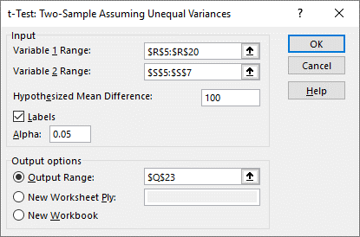
 | 112 | Step 4: |  |  |  | Data > Data Analysis >
 | 97 |  | Reject H0
 | 118 |  | It is reasonable to conclude that the mean number of customers using the self-checkout system is more than 100 per day.
 | 108
 | 117

Two-Sample Test of Hypothesis
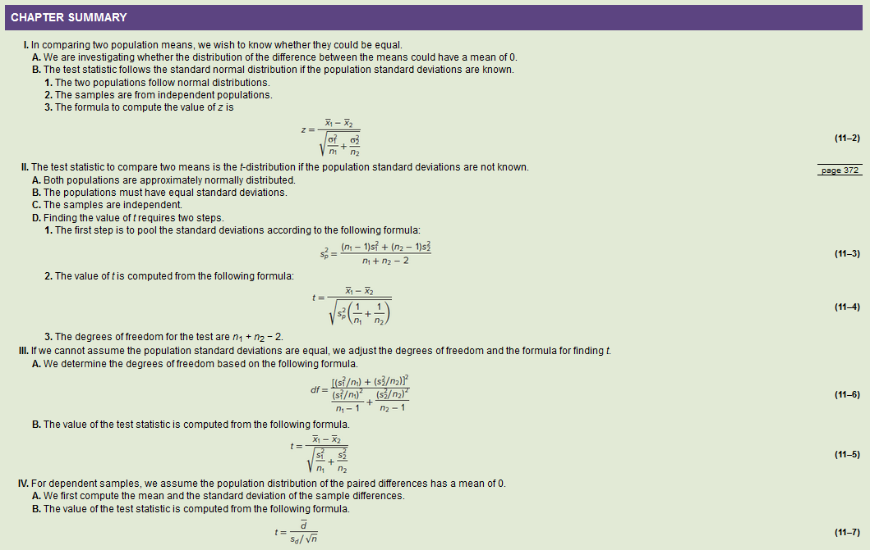

t-Table
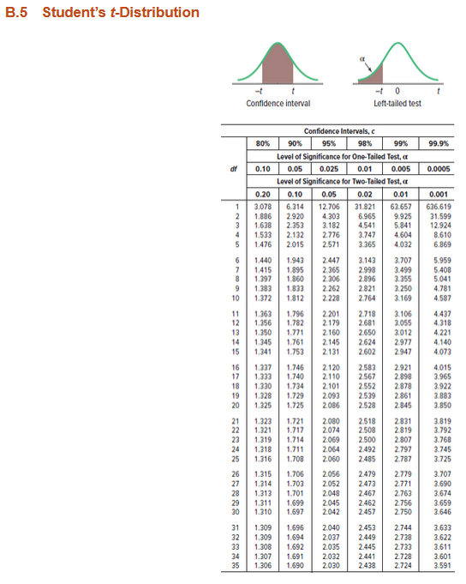
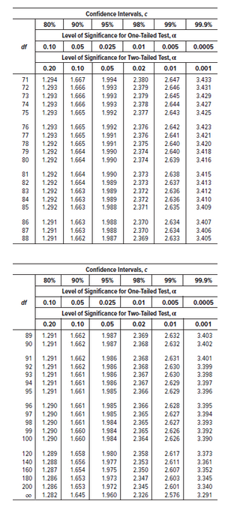
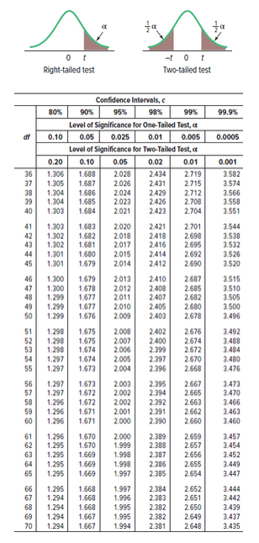
Df = n-1

